Login page
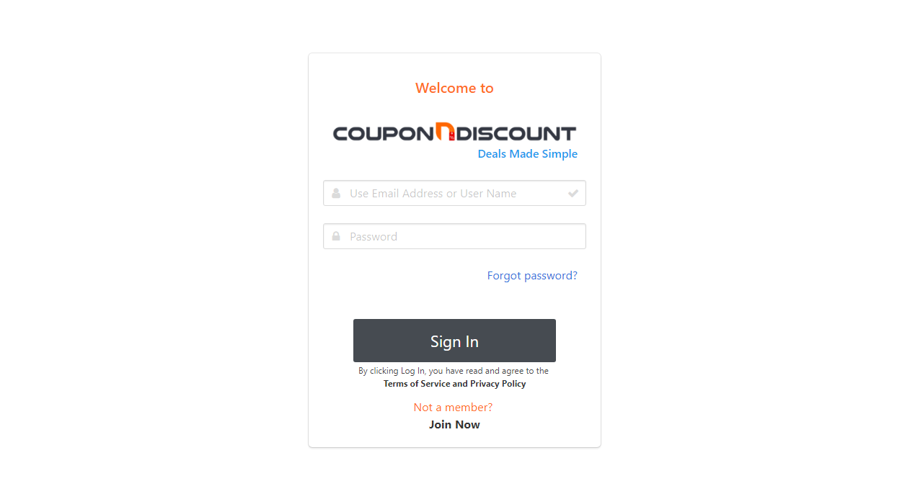
https://spjps2009.github.io/couponndiscount_html/login.html
Choose Platform

Brand Deal

Download App
Categories
Search Deal

Login
Join as Seller

Dashboard or Satistics
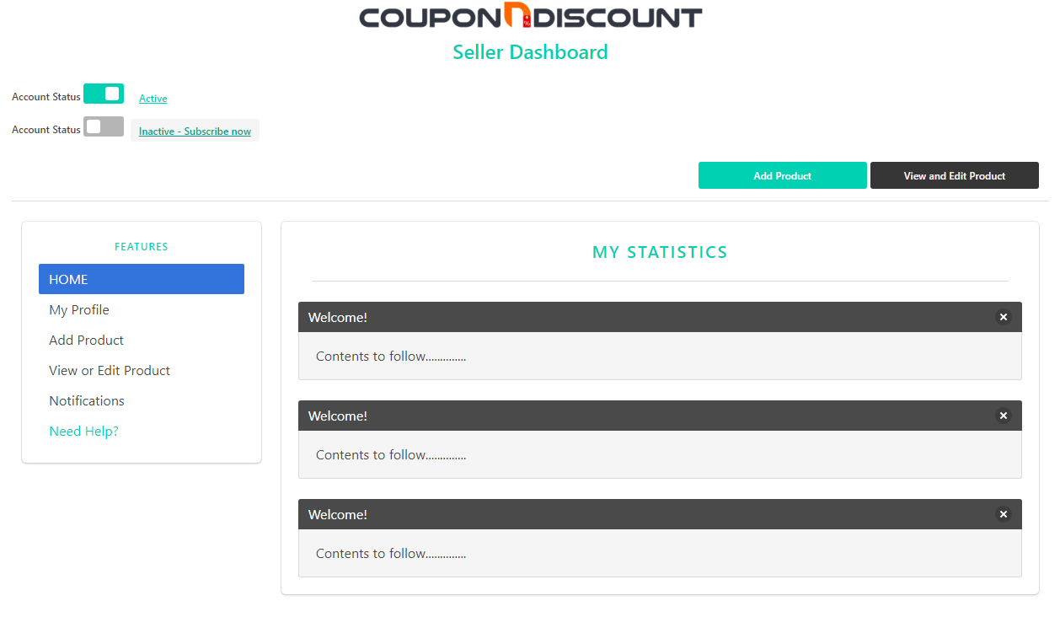
file:///C:/Users/AHSANUL/Desktop/Dashboard.html
Choose Platform

Brand Deal

Download App
Categories
Search Deal

Login
Join as Seller

Profile
NEW

LOGOUT

My Profile
Change password
My Subscription

Brand Logo (Optional) *Required if subscribing Brand Ad

Upload Brand/logo

Brand or Seller (Optional) *Required if subscribing Brand Ad

Full Name

Location: City or Country

Contact Number

Email Address

Website

Edit
Update

Change Password
NEW
Choose Platform

Brand Deal

Deal Of The Day
Flash Deal
Deal Ending Soon
Download App
Categories
Search Deal

Login
Join as Seller

 | Changing Password

 |  | Current Password
 |  | Type Current password
 |  | New Password
 |  | Type New password
 |  | Re-Type new Password
 |  | Re-Type new Password
Change and Update

My Subscriptiopn
NEW
Choose Platform

Brand Deal

Download App
Categories
Search Deal

Login
Join as Seller

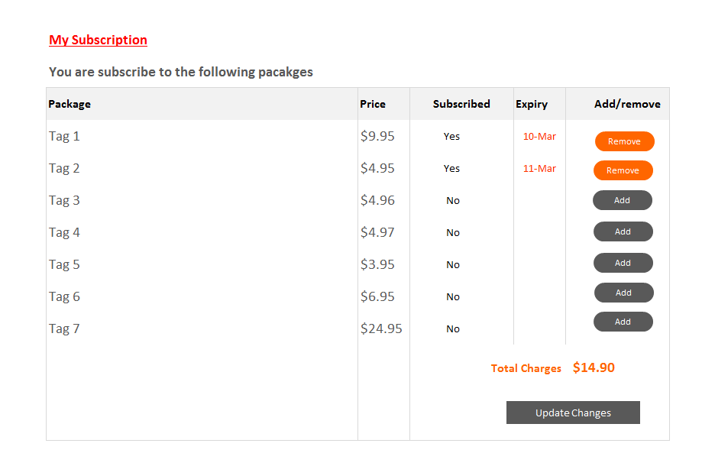
 | My Current Products and Subscriptions

 |  | Next Payment | $0.00 |  |  | Next payment Due | 1-Apr-18 |  |  |  | Current Subscription | $0.00

 |  | Upcoming Subscription | $0.00 |  |  | No. of Product Eligible | 10 |  |  |  | No. of Ads Eligible | 3

FREE
Extra
Extra
Extra
Extra
 |  |  | Product | My Active Products | Free Subscription | Subscription |  | Ad Package | Ad Package | Ad Package
 |  |  |  |  | Up to 10 Products | $25.00 |  | $18.00 | $38.00 | $55.00
 |  |  |  |  |  | 11-20 Products |  | Up to 3 Product | 4 - 10 Product | Oct-20
 |  |  | 1 | Mozzbi Pizza Cutter | P | O |  | O | O | O
 |  |  | 2 | Mozzbi Steak Knives | P | O |  | O | O | O
 |  |  | 3 | Mozzbi Tow Straps 2 inch | P | O |  | O | O | O
 |  |  | 4 | Mozzbi Pizza Cutter | P | O |  | P | O | O
 |  |  | 5 | Mozzbi Steak Knives | P | O |  | O | O | O
 |  |  | 6 | Mozzbi Tow Straps 2 inch | P | O |  | P | O | O
 |  |  | 7 | Mozzbi Pizza Cutter | P | O |  | P | O | O
 |  |  | 8 | Mozzbi Steak Knives | P | O |  | O | O | O
 |  |  | 9 | Mozzbi Tow Straps 2 inch | P | O |  | O | O | O
 |  |  | 10 | Mozzbi Tow Straps 2 inch | P | O |  | O | O | O

 | Note : All extra subscription and ad packages are based on 28 days subscription

Package 1
$0.00
FREE for 28 Days
# Only to display in category
After 3 month $9.95
Package 2
$9.95
All Home Page Ads
+ Slider
+ Side Bar
+ Deal of the day
+ Flash Deal
+ deal Ending soon!
Package 3
$4.95
All Category Page Ads
+ Slider
+ Side Bar
Package 4
$3.95
Product Page Ads
+ Bottom Slider

Edit Page
Choose Platform

Brand Deal

Download App
Categories
Search Deal

Login
Join as Seller

My Product List

Edit
Relist
Status | Icon | Description | Platform | Expires | Action
Active |  | Pizza Cutter wheen Pack of 1 | Amazon USA | 2018-03-26
Inactive |  | Pizza Cutter wheen Pack of 2 | Amazon USA | 2018-03-26
Edit
Active |  | Pizza Cutter wheen Pack of 1 | Amazon USA | 2018-03-26

Add Product
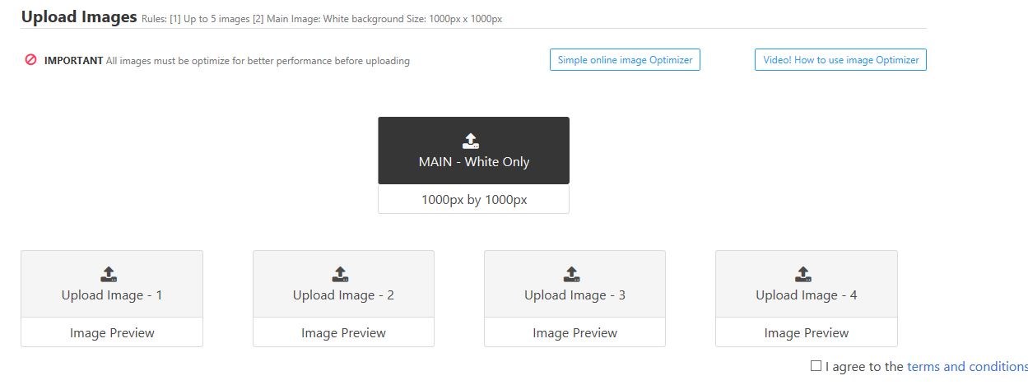
https://spjps2009.github.io/couponndiscount_html/add_product/index.html
Choose Platform

Brand Deal

Download App
Categories
Search Deal

Login
Join as Seller
 |  | Important Notification
 |  | Notification
 | For Amazon Product Only

Enter Your Product URL
Extract Product Contents




 | Create New Listing All fields are mandatory and must be fully completed |  |  |  |  |  | List of categories
 | Select Category |  | Select Country and Location |  | Select Selling Platform |  | Art & Carft
 |  |  |  |  |  |  | Automotive
 | Current /Normal Price |  | Offer Price |  | Discount Percentage [%] Auto |  | Baby
 |  |  |  |  |  |  | Beauty & Health
 | Number of Coupon Available |  | Video Link (YouTube) |  |  |  | Cell & Accessories
 |  |  |  |  |  |  | Children
 | Product Link (For Your Customer Purchase) |  |  |  |  |  | Fitness & Exercise
 |  |  |  |  |  |  | Fashion
 | Product Title |  |  |  |  |  | Jewellery
 |  |  |  |  |  |  | Kitchen & Dining
 |  |  |  |  |  | Characters Limit: 200 | Kitchen & Accessories
 | Coupon Code |  |  |  |  |  | Outdoor & Indoor
 |  |  |  |  |  |  | Office Produts
 |  |  |  |  |  |  | Pets
 | Botton Tab Information - Product Description All fields are mandatory and must be fully completed |  |  |  |  |  | Technology
 | Unit/Variation |  |  | Warranty/Instruction |  |  | Toy & Games
 |  |  |  |  |  |  | Travel Accessories
 | Full Description |  |  |  |  |  | Vitamins

 | Brand or Seller |  |  | Contact or Email

 | Other Information (Include Instruction and Warning)

 | Shipping Charge |  |  | Shipping Time

 | Return and Refund details (Include return address if applicable)

Admin Page
file:///C:/Users/AHSANUL/Desktop/Admin%20Page.html
Choose Platform

Brand Deal

Download App
Categories
Search Deal

Login
Join as Seller

 | New Seller Subscription (Setting up a NEW Seller)
 | Free Subscription- up to 10 item |  |  |  | Basic Subscription |  |  | Basic Ads |  |  |  | Standard Ads |  |  | Premium Ads
 | YES £0.00 |  |  |  | NO |  |  | NO |  |  |  | NO |  |  | NO
 | Brand Ads |  |  |  | Number of Product Subscribed/Eligible |  |  | Subscription Start Date |  |  |  | Next Payment Date |  |  | Subscription Amount $
 | NO |  |  |  | 4 |  |  | 2019-03-25 |  |  |  | 2019-04-25 |  |  | $35.00

 | Full Name |  |  |  |  |  | Email Address |  |  |  |  |  | Seller Contact number

 | Brand Name (Required for Brand Ad) |  |  |  |  |  | Add to Profile & Subscription

 | Password Generator for NEW Seller

 | Brand Name (Required for Brand Ad) |  |  |  |  |  | Generate Password

 | Manage Product and Subscription

 |  |  | Enter Email address or Seller reference |  |  |  |  |  |  |  |  |  | Find Seller

 | YES £0.00 |  |  |  | NO |  |  | NO |  |  |  | NO |  |  | NO
 |  |  |  |  | Subscription |  |  | Subscription Start Date |  |  |  | Next Payment Date |  |  | Subscription Amount $
 |  |  |  |  | DROPDOWN |  |  | 2019-03-25 |  |  |  | 2019-04-25 |  |  | $35.00

 | Full Name |  |  |  |  | Email Address |  |  |  | Contact Number |  |  |  | Brand Name

 |  | Here - We should have the same table created under 'MY SUBSCRIPTION'

 | Price Table
 | Featuers |  |  | Basic |  |  | Standard |  |  |  | Premium |  |  | Advanced
 |  |  |  | $0.00 / Per month |  |  | $9.95 / Per month |  |  |  | $24.95 / Per month |  |  | $49.95 / Per month
 |  |  | Num of Products | 10 |  |  | 15 |  |  |  | 20 |  |  | 30
 |  |  | Category Page Display | YES |  |  | YES |  |  |  | YES |  |  | YES
 |  |  | Number of Ads allowed | 0 |  |  | 3 |  |  |  | 10 |  |  | 20
 |  |  | *Front Page Ads (5 section) | No |  |  | YES |  |  |  | YES |  |  | YES
 |  |  | *Category Page Ads (2 section) | No |  |  | YES |  |  |  | YES |  |  | YES
 |  |  | *Product Page Ads (1 section) | No |  |  | YES |  |  |  | YES |  |  | YES
 | Brand page |  |  | No |  |  | No |  |  |  | No |  |  | FREE BONUS - Brand Page
 |  |  |  | Choose |  |  | Choose |  |  |  | Choose |  |  | Choose

Packages

 |  |  |  | Packages |  |  | Ad Packages |  |  |  | Brand Page
 |  |  |  | 10 items = Free |  |  | 3 items = $10 |  |  |  | 5 items = $10
 |  |  |  | Anything over 10 items = $5 each |  |  | Anything over 3 items = $5 each |  |  |  | Anything over 3 items = $5 each
Lets say they choose.. |  |  |  | 15 (+5 x $5 = $25) |  |  | 10 (+7 x $5 = $35) |  |  |  | 10 (+5 x $5 = $25)
 |  |  |  |  |  |  |  |  | The subscription is = $85.00

Seller signup
JOIN NOW
JUMPSTART YOUR SALE AND RANKING
Amazon
e-Bay
e-Commerce Stores

Brief text section here
GET YOUR FREE* ACCESS
Upload Your Products on Coupon N Discount Platform at a DISCOUNTED Price

Sellers will get access to
Choose Your Audiences

USA
$-USD
UK
£ - GBP
Personalize Dashboard
Upload - Add - Edit Products
Icon
Icon
Flag
Flag

Europe
E - Euro
Worldwide
$ - USD Only

Flag
Flag

Statistics
Icon

Join NOW for FREE

Statistic

Process
 | https://spjps2009.github.io/couponndiscount_html/Dashboard.html this is url just put this url: https://spjps2009.github.io/couponndiscount_html/ then add the html file name https://spjps2009.github.io/couponndiscount_html/Dashboard.html
Join as Seller

Manual Email Exchange
Confirming Price+T&C

If seller Agrees to join
Admin Page
- To Set-up Sellers login
- Oher Admin Role

Login Page
We create seller login

Profile Page
Profile Plus
link to Edit Page
+ Upload Product

Edit Page
Upload Product Page

Process1
LOGIN
LOGOUT
 |  |  |  |  |  |  |  |  |  |  |  |  |  |  |  | View Products
Welcome to Coupon N Discount

Account Status
Add product
View or Edit Product
Need Help?
Packages and Prices
 | My Profile

 |  |  |  |  |  |  |  |  |  |  |  |  |  | My Statistics |  |  | Dashboard/Profile

Profile Info
Change Password
My Subscription
Statistics
Membership Reference
Upload Brand Logo
 |  | My Profile |  |  |  |  |  |  |  |  |  |  |  |  |  |  |  |  |  |  |  |  |  |  |  |  |  | Reset Password
Phote
Brand Logo (Optional) *Required if subscribing Brand Ad
My Membership No.
Upload
Statistics
 |  |  |  |  |  |  |  |  |  |  |  |  |  |  |  |  |  | Full Name |  |  |  |  |  | Membership Ref
Upload
Full Name
Brand or Seller (Optional) *Required if subscribing Brand Ad
Location: City & Country
Statistics
Contact Mumber
 |  |  |  |  |  |  |  |  |  |  |  |  |  |  |  |  |  | Brand/Seller
 |  |  |  |  |  |  |  |  |  |  |  |  |  |  |  |  |  |  |  |  |  |  |  | Account Type |  | 28 DAYS FREE TRIAL
 |  |  |  |  |  |  |  |  |  |  |  |  |  |  |  |  |  | Full Address
Email Address
Website
Statistics
 |  |  |  |  |  |  |  |  |  |  |  |  |  |  |  |  |  |  |  |  |  |  | Total coupon Claimed |  |  | Is this possible?

Edit
Update
 |  |  |  |  |  |  |  |  |  |  |  |  |  |  |  |  |  | Contact Number
 |  |  |  |  |  |  |  |  |  |  |  |  |  |  |  |  |  |  |  |  |  |  |  |  | My Subscription ends on | 12-Apr-18
 |  |  |  |  |  | Chaging Password |  |  |  |  |  |  |  |  |  |  |  | Email Address
 |  |  |  |  |  |  | Current Password |  |  |  |  |  |  |  |  |  |  |  |  |  |  |  |  |  |  |  | Add Product
Type Current Password
 |  |  |  |  |  |  | New Password
Type new password
 |  |  |  |  |  |  | New Password
Re-Type new password
Change and update

 |  |  | My Subscription
 |  |  | You are subscribe to the following pacakges |  |  |  |  |  |  |  |  |  |  |  |  |  |  |  |  |  |  |  |  |  |  |  |  |  | 1. View and edit product
 |  |  | Package |  |  |  | Price | Subscribed |  | Expiry |  | Add/remove |  |  |  |  |  |  |  |  |  |  |  |  |  |  |  |  | 2. Notification page
Remove
 |  |  | Tag 1 |  |  |  | $9.95 | Yes |  | 2018-03-10 |  |  |  |  |  |  |  |  |  |  |  |  |  |  |  |  |  |  | 3. REDESIGN add product | Add Amazon URL
Remove
 |  |  | Tag 2 |  |  |  | $4.95 | Yes |  | 2018-03-11 |  |  |  |  |  |  |  |  |  |  |  |  |  |  |  |  |  |  | 4. Home page
Add
 |  |  | Tag 3 |  |  |  | $4.96 | No |  |  |  |  |  |  |  |  |  |  |  |  |  |  |  |  |  |  |  |  | 5. Category page
Add
 |  |  | Tag 4 |  |  |  | $4.97 | No |  |  |  |  |  |  |  |  |  |  |  |  |  |  |  |  |  |  |  |  | 6. Profile page
Add
 |  |  | Tag 5 |  |  |  | $3.95 | No |  |  |  |  |  |  |  |  |  |  |  |  |  |  |  |  |  |  |  |  | 7. Chage password page
Add
 |  |  | Tag 6 |  |  |  | $6.95 | No |  |  |  |  |  |  |  |  |  |  |  |  |  |  |  |  |  |  |  |  | 8. My Subscription page
Add
 |  |  | Tag 7 |  |  |  | $24.95 | No
 |  |  |  |  |  |  |  |  | Total Charges |  | $14.90
Update Changes

Account Status
View Products
Need help?

 | My Product List |  |  |  |  | New Page

Edit
Delete
Edit
Delete
 | Ref/UPC |  |  | Status | Icon |  | Description |  |  | Platform |  | Expires | Relist/Edit |  | Delete
 | ABCG126HSDBH35 |  |  | Active |  |  | Pizza Cutter wheen Pack of 1 |  |  | Amazon USA |  | 2018-03-26
 | ABCG126HSDBH35 |  |  | Active |  |  | Pizza Cutter wheen Pack of 1 |  |  | Amazon USA |  | 2018-03-26

 |  |  |  |  |  |  |  |  |  |  |  |  |  | Country product listed

 |  |  |  |  |  |  |  |  |  |  |  |  |  |  |  |  | My Product List

Edit
Delete
Edit
Delete
 |  |  |  |  |  |  |  |  |  |  |  |  |  |  |  |  | Ref/UPC |  | Status | Icon | Description | Platform |  | Expires |  | Relist/Edit |  | Delete
 |  |  |  |  |  |  |  |  |  |  |  |  |  |  |  |  | ABCG126HSDBH35 |  | Active |  | Pizza Cutter wheen Pack of 1 | Amazon USA |  | 2018-03-26
 |  |  |  |  |  |  |  |  |  |  |  |  |  |  |  |  | ABCG126HSDBH35 |  | Active |  | Pizza Cutter wheen Pack of 1 | Amazon USA |  | 2018-03-26

process2
Join as Seller
LOGIN
Button
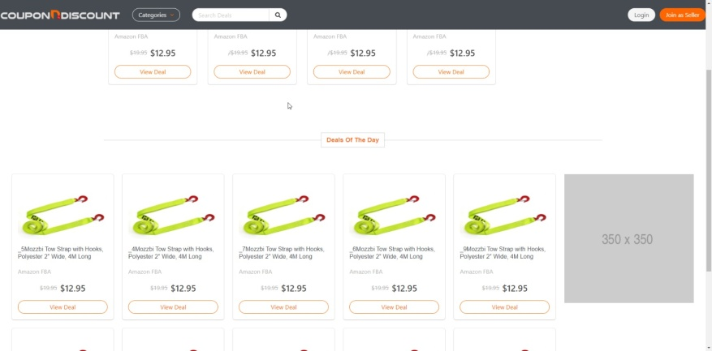
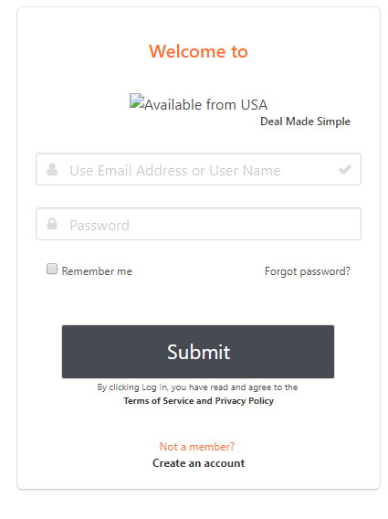

Login
Page
home page
LOGIN will take it to ..
Dashboard/Profile page

Manual communication with seller
If seller agrees to join
Send temperory login & password
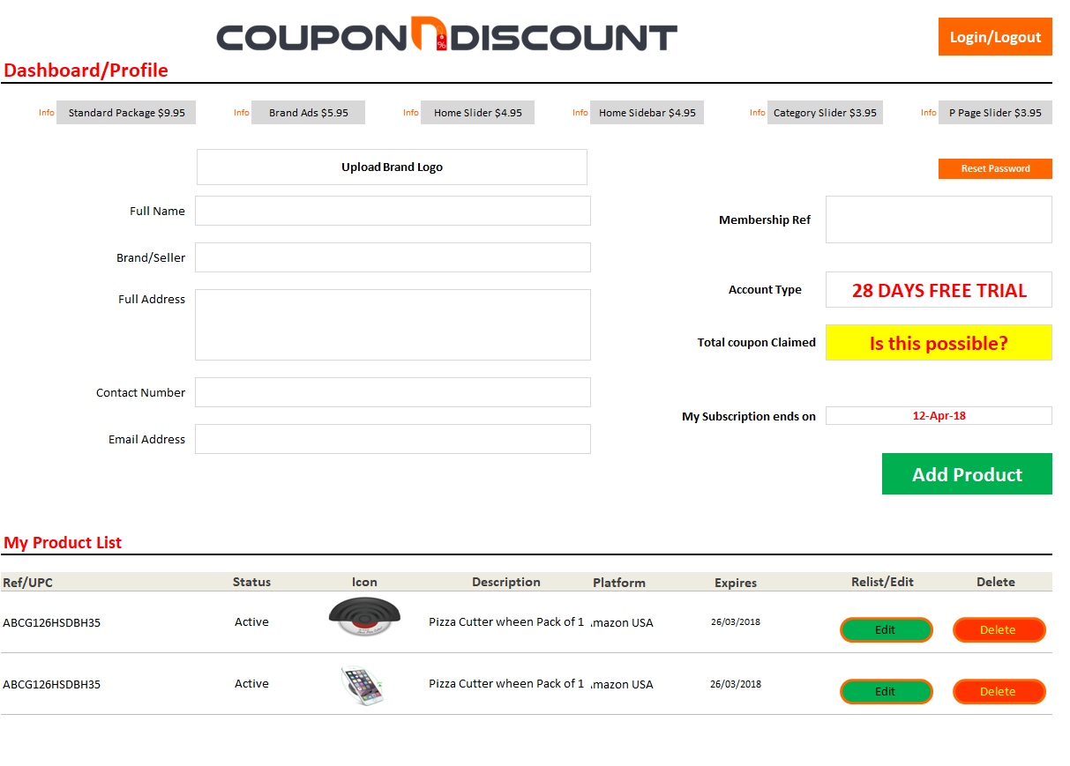

Dashboard/ Profile Page
LOGIN will take it to ..
Dashboard/Profile page

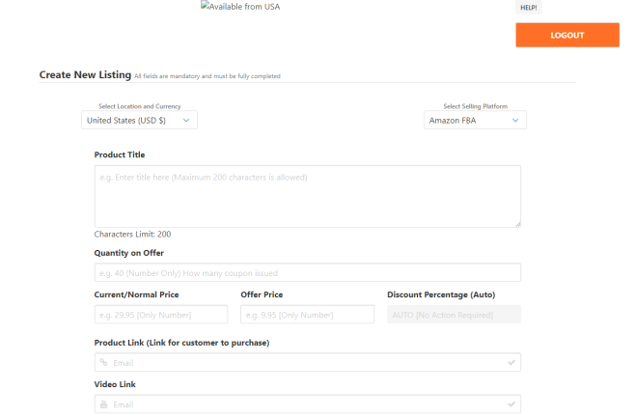
PROFILE DETAILS
INCLUDING Change Password option

Add + Edit
Product Page
Link to this page to
add or edit product
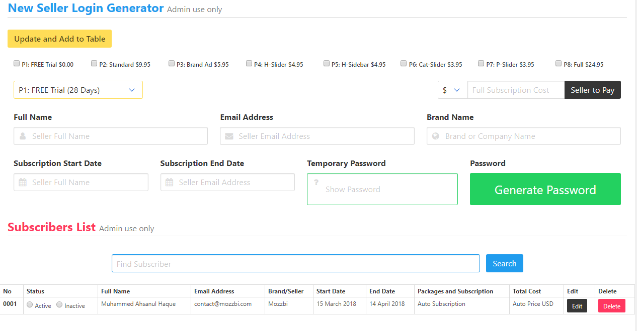

Admin + password
generator Page

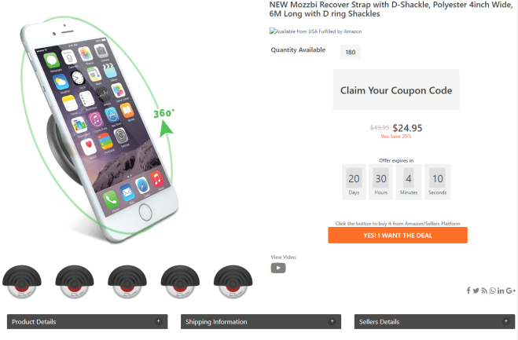

Product Page

The product Page
Outcome of edit or add product

Amazon URL
Full URL - your Suggestion
https://www.amazon.com/dp/B00F4AVRGW

Amazon URL | Enter Asin
https://www.amazon.com/dp/ | B00F4AVRGW
We combine both to make full URL

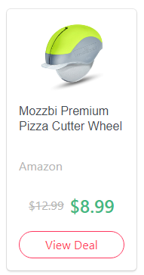


Mozzbi Premium Pizza Cutter Wheel

[US] Amazon Fulfilment

$8.99

View Deal

Sheet1
 | OPTION 2

Column forrmats
Everything to go under ONE column
 |  |  | Unit/Variation

 |  |  | Box of 6

 |  |  | Warning/Instruction

 |  |  | Over 18 only

 |  |  | Full Description

 |  |  | In case of any sale offered or made by D.O.R.C. Dutch Ophthalmic Research Center (International) B.V. (?D.O.R.C.?), D.O.R.C.?s General Terms and Conditions of Sale, which include a limitation of liability, apply to all (legal) acts and/or (legal) relations between D.O.R.C. and its buyer. In case of any purchase requested by or made to D.O.R.C., D.O.R.C.?s General Terms and Conditions of Purchase apply to all (legal) acts and/or (legal) relations between D.O.R.C. and its supplier. Both these sets of General Terms and Conditions are filed with the Dutch Chamber of Commerce under number 24167879 and the applicable set of General Terms and Conditions will be sent to you free of charge upon request. The most recently filed version of each set of General Terms and Conditions shall apply. Dutch law applies in any and all cases. Disputes as defined in our General Terms and Conditions shall be settled by the competent court in Rotterdam, the Netherlands.

 | OPTION 2

Column forrmats
Each attributes in inside a column
`
 |  |  | Unit/Variation | Box of 6

 |  |  | Warning/Instruction | Over 18 only

 |  |  | Full Description | In case of any sale offered or made by D.O.R.C. Dutch Ophthalmic Research Center (International) B.V. (?D.O.R.C.?), D.O.R.C.?s General Terms and Conditions of Sale, which include a limitation of liability, apply to all (legal) acts and/or (legal) relations between D.O.R.C. and its buyer. In case of any purchase requested by or made to D.O.R.C., D.O.R.C.?s General Terms and Conditions of Purchase apply to all (legal) acts and/or (legal) relations between D.O.R.C. and its supplier. Both these sets of General Terms and Conditions are filed with the Dutch Chamber of Commerce under number 24167879 and the applicable set of General Terms and Conditions will be sent to you free of charge upon request. The most recently filed version of each set of General Terms and Conditions shall apply. Dutch law applies in any and all cases. Disputes as defined in our General Terms and Conditions shall be settled by the competent court in Rotterdam, the Netherlands.

 |  | Note : Ignore boxes and border (Only to understand) + I don’t think we can add vertical line

Sheet2
Category Page | Home Page |  | Product page
Sidebar X only Exclusive | Sidebar [ X only Exclusive - Like our own products] |  | Slider
Slider | Slider
 | Deal of the day
 | Flash deal
 | Deal ending Soon

 |  | Add Display process
 |  |  | New Arrival
 |  |  | Product 1
 |  |  | Product 2
 |  |  | Product 3
 | Free to upload up to 10 product |  | Product 4
 | Manually block anything over 10 in ADMIN PAGE |  | Product 5
 |  |  | Product 6
 | Only SET-FEE for the Ads ($9.95 or $14.95) |  | Product 7
 | FEE Duration |  | Product 8
 | 28 days (In the beginning) |  | Product 9
 | Then 14, 7 or 3 depending on the success |  | Product 10
 |  |  | Product 11
 | Ad limits |  | Product 12
 | Maximum of 3 product eligible |  | Product 13
 | Manually approve in Admin Page |  | Product 14
 |  |  | Old Product

 |  |  |  | Monthly Fee $0.00 |  | Number of Product 8 |  | Ad Package Advance $15.00

 |  |  |  |  |  |  |  |  | Change Password

LOGOUT
 |  |  |  | LOGIN | Contact Us
 |  |  |  |  |  | Dashboard | Sellers current page | Sellers current page
 |  |  |  |  | My Profile | My Statistics | My Subscription | My Subscription | Add Product | Edit Product | Notifications

Introduction
Statistics

TEXT
Statistics 1
Statistics 2
Statistics 3
Statistics 4

New Added products

Product 1

Product 2
Subscription and Payments
Product 3
Current
$9.95
Next

$9.95
17 May 2018
Product 4

Sheet3
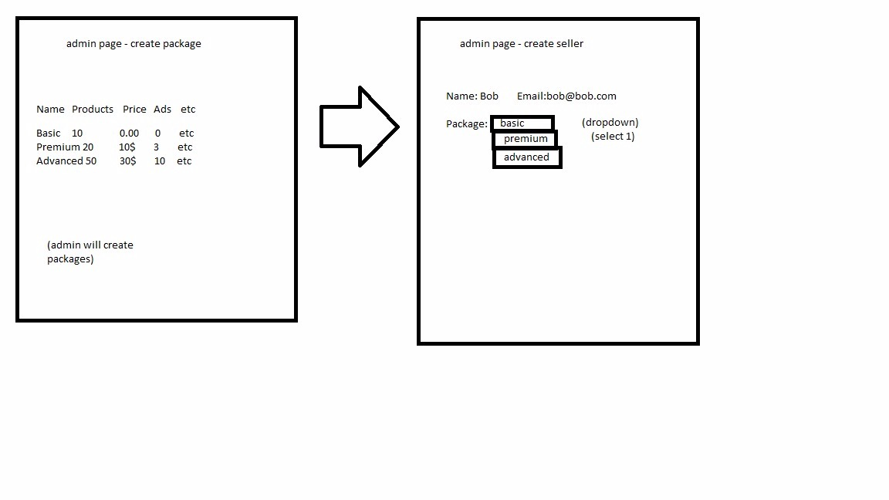

Package Name | No. of Products | Price | No of Ads
Basic | 10 | $0.00 | 0
Premium | 20 | $10.00 | 3
Advance | 50 | $30.00 | 10

